S - SAFETY
S — SAFETY | Daily Performance Record
Month / Year: |  |  | [Company Name] — [Area / Department]

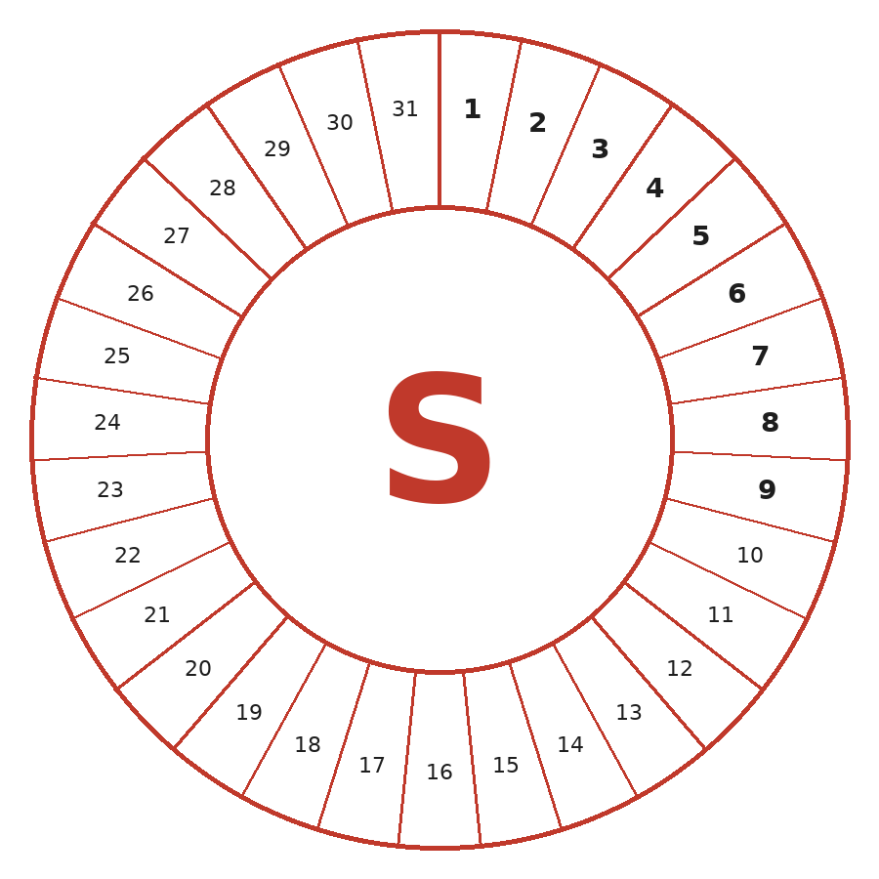

▶ For full KPI tracking, issues log and actions register — see the 'S Detail' tab
COLOUR KEY — Use Excel's fill colour (Home tab) to colour each numbered segment each day
 | GREEN | No incidents — all targets met
 | AMBER | Near miss or minor deviation from target
 | RED | Recordable incident or significant target miss
 | YELLOW | Weekend / Non-Working Day
NucCol Fit For Nuclear Programme | Commercial in Confidence | © Nuclear Collaboration Ltd Co. no. 15937779

Q - QUALITY
Q — QUALITY | Daily Performance Record
Month / Year: |  |  | [Company Name] — [Area / Department]

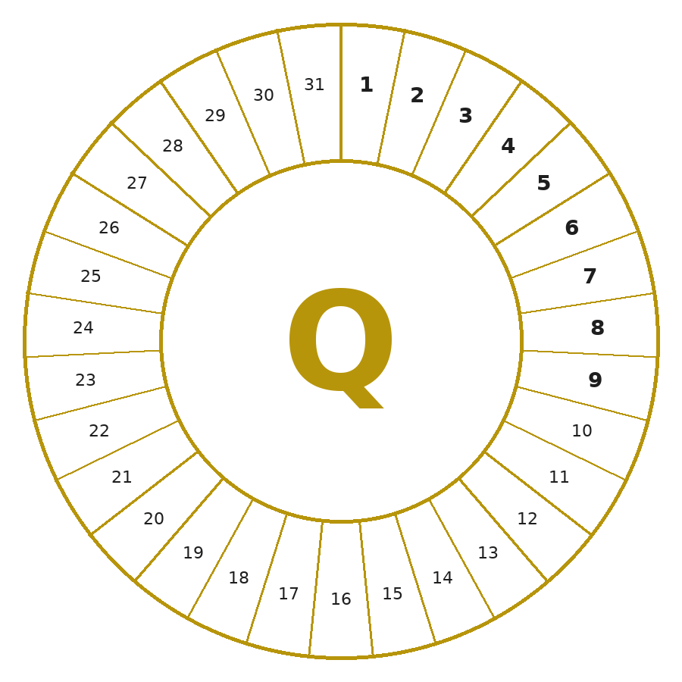

▶ For full KPI tracking, issues log and actions register — see the 'Q Detail' tab
COLOUR KEY — Use Excel's fill colour (Home tab) to colour each numbered segment each day
 | GREEN | No NCRs — all quality targets met
 | AMBER | Minor issue or approaching threshold
 | RED | NCR raised or quality target missed
 | YELLOW | Weekend / Non-Working Day
NucCol Fit For Nuclear Programme | Commercial in Confidence | © Nuclear Collaboration Ltd Co. no. 15937779

D - DELIVERY
D — DELIVERY | Daily Performance Record
Month / Year: |  |  | [Company Name] — [Area / Department]

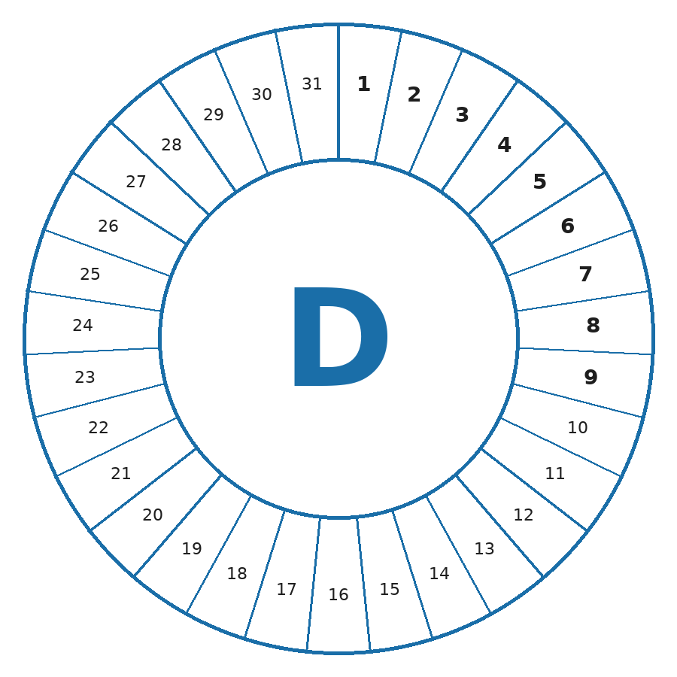

▶ For full KPI tracking, issues log and actions register — see the 'D Detail' tab
COLOUR KEY — Use Excel's fill colour (Home tab) to colour each numbered segment each day
 | GREEN | ≥ 95% on time — all targets met
 | AMBER | 90–94% on time or approaching threshold
 | RED | Below 90% or significant target miss
 | YELLOW | Weekend / Non-Working Day
NucCol Fit For Nuclear Programme | Commercial in Confidence | © Nuclear Collaboration Ltd Co. no. 15937779

C - COST
C — COST | Daily Performance Record
Month / Year: |  |  | [Company Name] — [Area / Department]

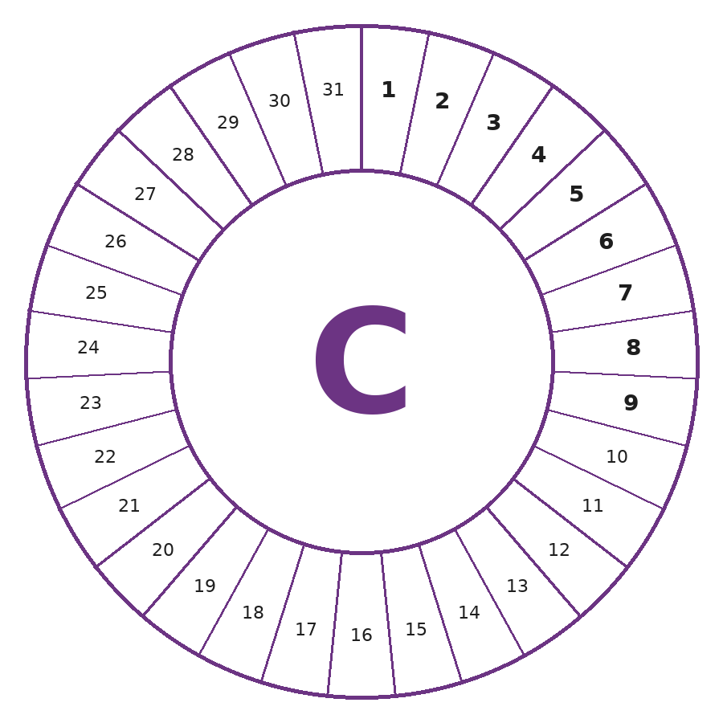

▶ For full KPI tracking, issues log and actions register — see the 'C Detail' tab
COLOUR KEY — Use Excel's fill colour (Home tab) to colour each numbered segment each day
 | GREEN | Within budget or under budget
 | AMBER | Up to 5% over budget
 | RED | More than 5% over budget
 | YELLOW | Weekend / Non-Working Day
NucCol Fit For Nuclear Programme | Commercial in Confidence | © Nuclear Collaboration Ltd Co. no. 15937779

P - PEOPLE
P — PEOPLE | Daily Performance Record
Month / Year: |  |  | [Company Name] — [Area / Department]

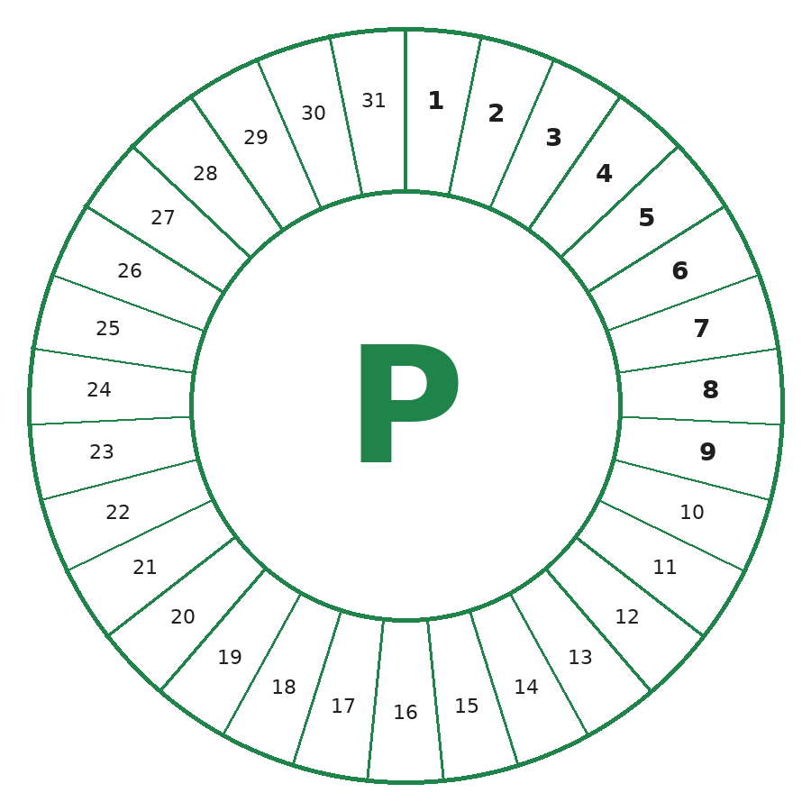

▶ For full KPI tracking, issues log and actions register — see the 'P Detail' tab
COLOUR KEY — Use Excel's fill colour (Home tab) to colour each numbered segment each day
 | GREEN | Target met — full attendance
 | AMBER | Monitored / partial absence
 | RED | Target missed / significant issue
 | YELLOW | Weekend / Non-Working Day
NucCol Fit For Nuclear Programme | Commercial in Confidence | © Nuclear Collaboration Ltd Co. no. 15937779

